Work Allocation
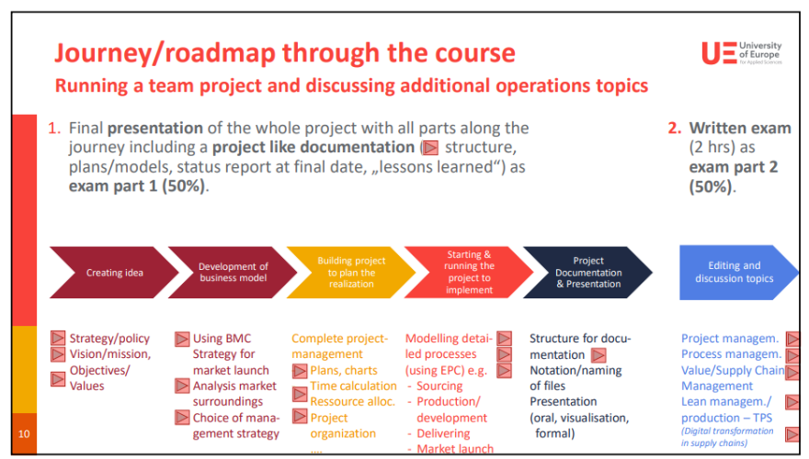
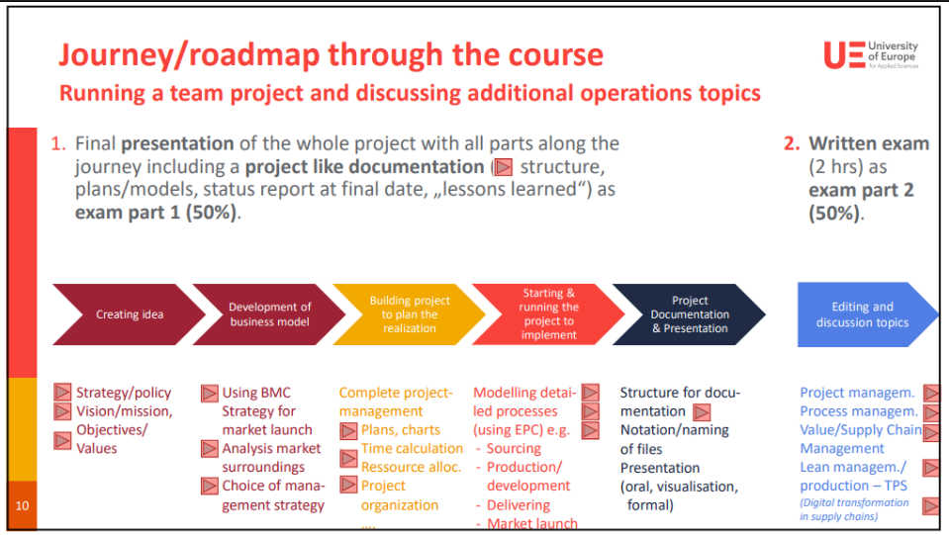
Sr.No | Particulars | Objectives/Values | Team Member | Status | Document Name | Comments | Presenter/Speaker
1 | Creating Idea |  | Monica |  | Creating the idea | Monica |  | Topics:
 | 1. Problem Identification: | Strategy/Policy | Monica | Done |  |  |  | Project Management
 | 2. Brainstorming | Vission/Mission | Monica | Done |  |  |  | Process Management
 |  | Objectives/Values | Kirti | ? |  | Use the SMART framework: Specific, Measurable, Achievable, Relevant, Time-bound. |  | Value/Supply Chain Management
 |  |  |  |  |  |  |  | Lean/Production Management TPS
2 | Developmenet of Business Model |  | Mathew |  | Business Model | Mathew/Monica
 | 1. Value Proposition: | Define the unique value your idea delivers to customers. | Mathew | Done | BMC | To be drafted in the form of presentation
 | 2. Customer Segmentation: | Identify primary and secondary target markets. | Mathew | WIP | BMC | To be drafted in the form of presentation
 | 3. Revenue Streams: | Determine how the project will generate revenue (e.g., subscriptions, one-time sales, advertising). | Mathew | Done | BMC | Link the cost structure of BMC to the Cost Calculation slide which has an itemized list of the estimated costs to be incurred and the revenue sources
 | 4. Cost Structure: | Outline fixed and variable costs to identify the project's break-even point. | Mathew | Done | Cost Structure | Link the cost structure of BMC to the Cost Calculation slide which has an itemized list of the estimated costs to be incurred and the revenue sources
 | 5.Business Model Canvas: | Use tools like the Business Model Canvas or Lean Canvas to map the project's key components | Monica | WIP | BMC/ Lean Canvas
 | 6. Risk Assessment | Analyze potential risks and mitigation strategies | Mathew | Done | PESTEL/SWOT/PORTERS | Please corelate the 3 and draft the mitigation strategies

3 | Building Project to plan the Realization | Create a comprehensive project plan that defines goals, timelines, resources, and milestones | Monica |  | Business Plan
 | 1. Define Scope: | Management Strategy | Anandhu &Jessu |  |  | To be drafted in the form of presentation
 |  | PMC | Amit | ? | PMC | To be reviwed by Monica
 |  | Plans | Monica |  |  | Process Management
 |  | Charts | Monica |  | WBS
 |  | Time Calculation | Monica |  | GANTT | Use Gantt charts or project management tools (e.g., MS Project, Asana, Trello) to visualize task dependencies and milestones.

4 | Starting and Running the project to implement | Resource Allocation | Beski |  | Implementation | Identify team roles, assign responsibilities, and secure required tools, technologies, and budgets.
 |  | Project Organization | Monica
 |  | Modelling detailed processes using EPC | Monica
 |  | Sourcing | Anandhu &Jessu
 |  | Production/Development | Beski

5 | Project Documentation and Presentation | Delivering | Anandhu |  | Market Launch
 |  | Market Launch | Anandhu &Jessu
 |  | Structure for Documentation | Monica
 |  | Notation | Monica
 |  | Naming Files | Monica
 |  | Presentation Theme | Kirti

